In Process Inspections
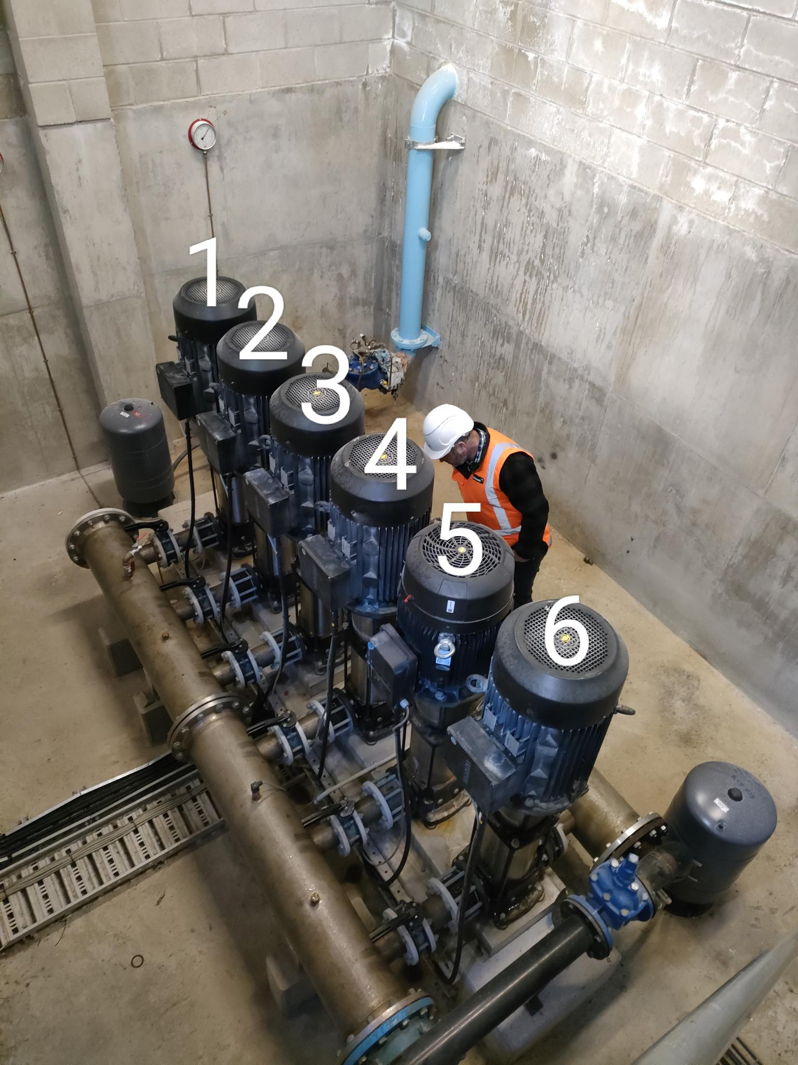
SECTION 4 – IN-PROCESS INSPECTIONS Insert additional or delete unused rows as required. Include reference to specification.
Item No. | Activity/ Task Description | Inspection Point: Quality Control Activity | Acceptance Criteria | Verifying Document | Frequency | Inspection Type (Visual, other) | Inspection
 |  |  |  |  |  |  | Key | By (Role Key)
4.1 | Shutdown Pump 2 | Isolate Pump 2 Electrically & Mechanically and release any residual pressure. | Ensure reservoir supply tanks are full before proceeding | Advice from DCC Operations | Once | Visual + Written + Verbal | C | CR
4.2 | Remove Pump 2 base plate - This may have to be cut into individual sections to accommodate each pump | Remove fixings from floor | Pump 2 is removed | This ITP | Once | Visual | I | IP
4.3 | Install New Proprietary baseplate for Pump 2 - This may have to be cut into individual sections to accommodate each pump | Check dimensions | Plinth is in suitable condition | 1.Grundfos documentation. 2. Project Drawings | Once | Visual | I | IP
4.4 | Pump 2 Installation | Lifting & Mounting Pump 2 into position & bolt down | Pump base plate mounted in correct position | 1.Grundfos documentation. 2. Project Drawings | Once | Visual | I | IP
4.5 | Install gaskets & dress sets | Tighten bolts in correct opposing sequence | Torque to 80N.m | NZ Water Standards | Once per bolt | Visual | I | IP
4.6 | Preparation to run Pump 2 | Open isolation valves and purge pumps of air | Water visible from purging valve | This ITP | Once/per pump | Visual | I | IP
Note: Electrical connection of pumps and commissioning are covered in separate ITP's

